Logs - Insights
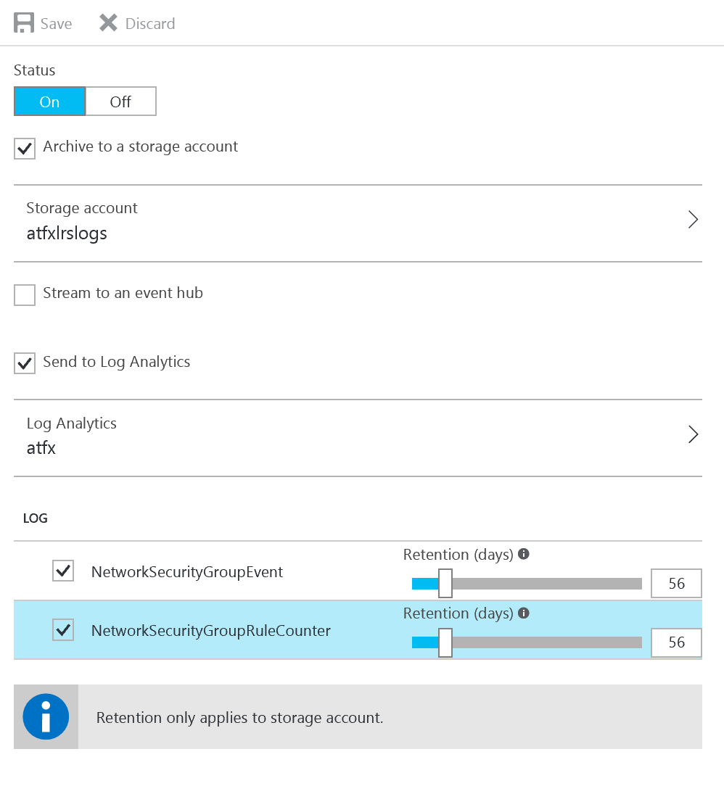
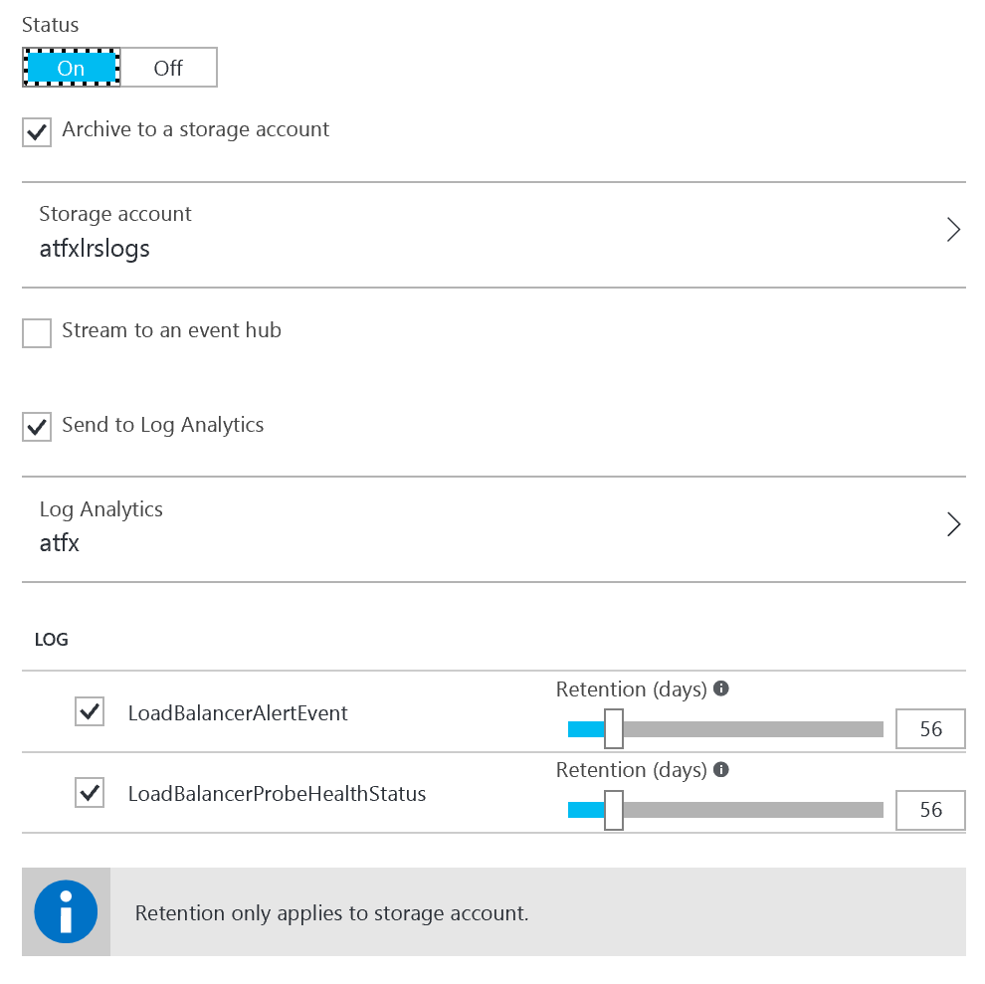
Log Analytics | Resourc Group | Location | OMS Workspace | Tier
atfx | atlasfx-network-rg | West Europe | atfx | 500MB Daily Limit - 7 days retention - Free Tier

What is monitored by Log Analytics?

Security Centre
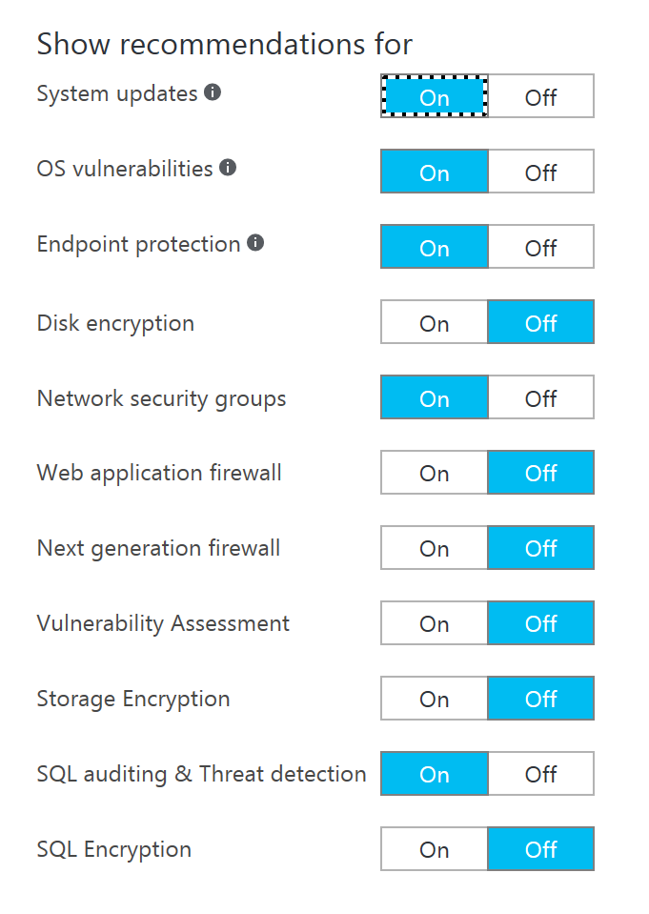
Name | Data Collection | Storage | Prevention Policy | Email Notifications | Pricing Tier
Default | Enabled | atfxlrslogs | See below | Configured | Free

AD DS
VM | Directory Locations | FMSO Roles
dc01 | [Dbase - f:\windows\ntds]; [Log files - f:\windows\logs];[Sysvol - f:\windows\sysvol] | All:GC
dc02 | [Dbase - f:\windows\ntds]; [Log files - f:\windows\logs];[Sysvol - f:\windows\sysvol] | GC

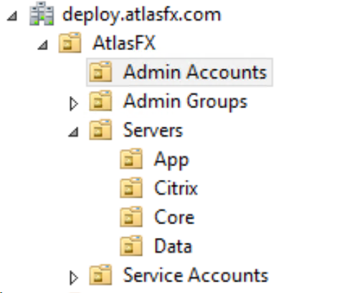
OU Design |  |  | Group Policies | Details
 |  |  | Default Domain Controllers Policy | No change
 |  |  | Default Domain Policy | No change
 |  |  | Server - App Server Local Admin Control | Adds AtlasFX App Server Admins to local Administrators
 |  |  | Server - Core Servers Local Admin Control | Adds Core Server Admins to local Administrators
 |  |  | Server - Data Server Local Admin Control | Adds Data Server Admins to local Administrators
 |  |  | Server - XenApp Server Local Admin Control | Adds XenApp Server Admins to local Administrators
 |  |  | User - Regional Settings Control | Sets the user regional settings to English (Ireland)

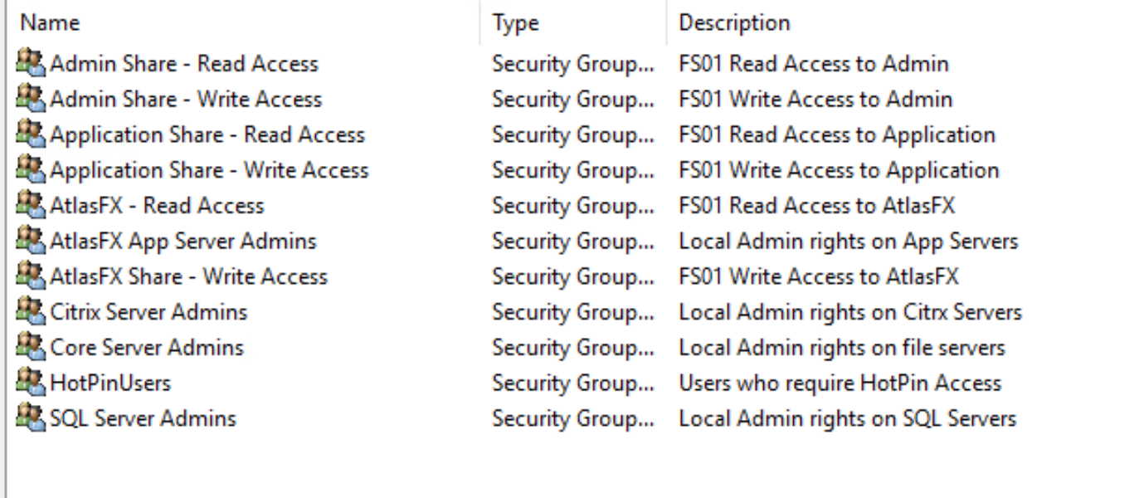
Name | Details |  | Share Name | Path
Admin Accounts | All Domain and role admin accounts
Admin Groups | Sub Admin groups for admin
 | AtlasFX App Server Admins [Local Admin rights on App servers]
 | Citrix Server Admins [Local Admin rights on Citrix Servers]
 | Core Server Admins [Local Admin rights on Core Servers]
 | SQL Server Admins [Local Admin rights on SQL Servers]
Servers | App [AtlasFX App Servers]
 | Citrix [XenApp Servers]
 | Core [Core Servers]
 | Data [SQL Servers]
Service Account | All account used to run services. Do not use Domain Admin accounts for Services.

Group Policies automatically populate the correct groups in local Administrators based on the OU

Performance Notes
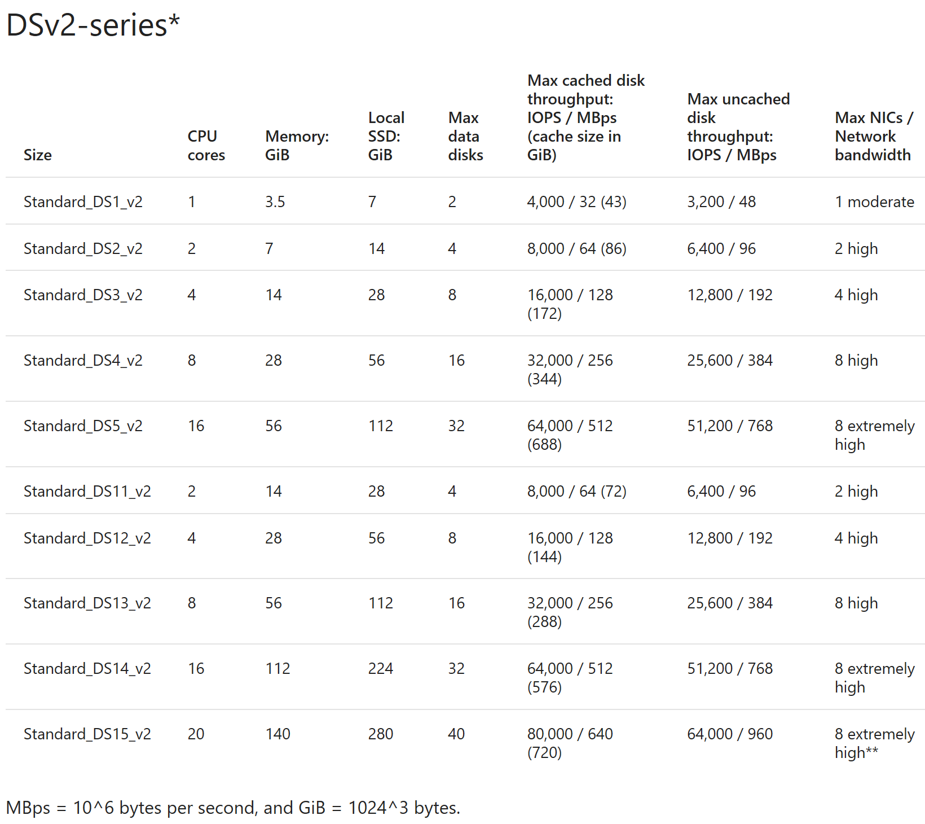
Performance Notes
Storage and Disk performance
Reference 18/01/2017 | https://docs.microsoft.com/en-us/azure/storage/storage-scalability-targets

Disk throughput is not specified for the Basic and Standard Tier VMs
Standard Disk throughput is often throttled. Stripping will increase IOPS and MBps but results vary depending on the VM type.
Disk throughput can exceed the VM maximum throughput when using Premium Storage.
Example: DS1_v2 has maxium IOPS/MBps 3,200/48 and can take 2 x Data disks. 2 x P10 gives (500x2=1000 IOPS) and (100x2=200MB per second).
The VM limit IOPS limit is higher than the disks but the MBps is lower (48 compared to disks 200MBps)

